Stock Chart
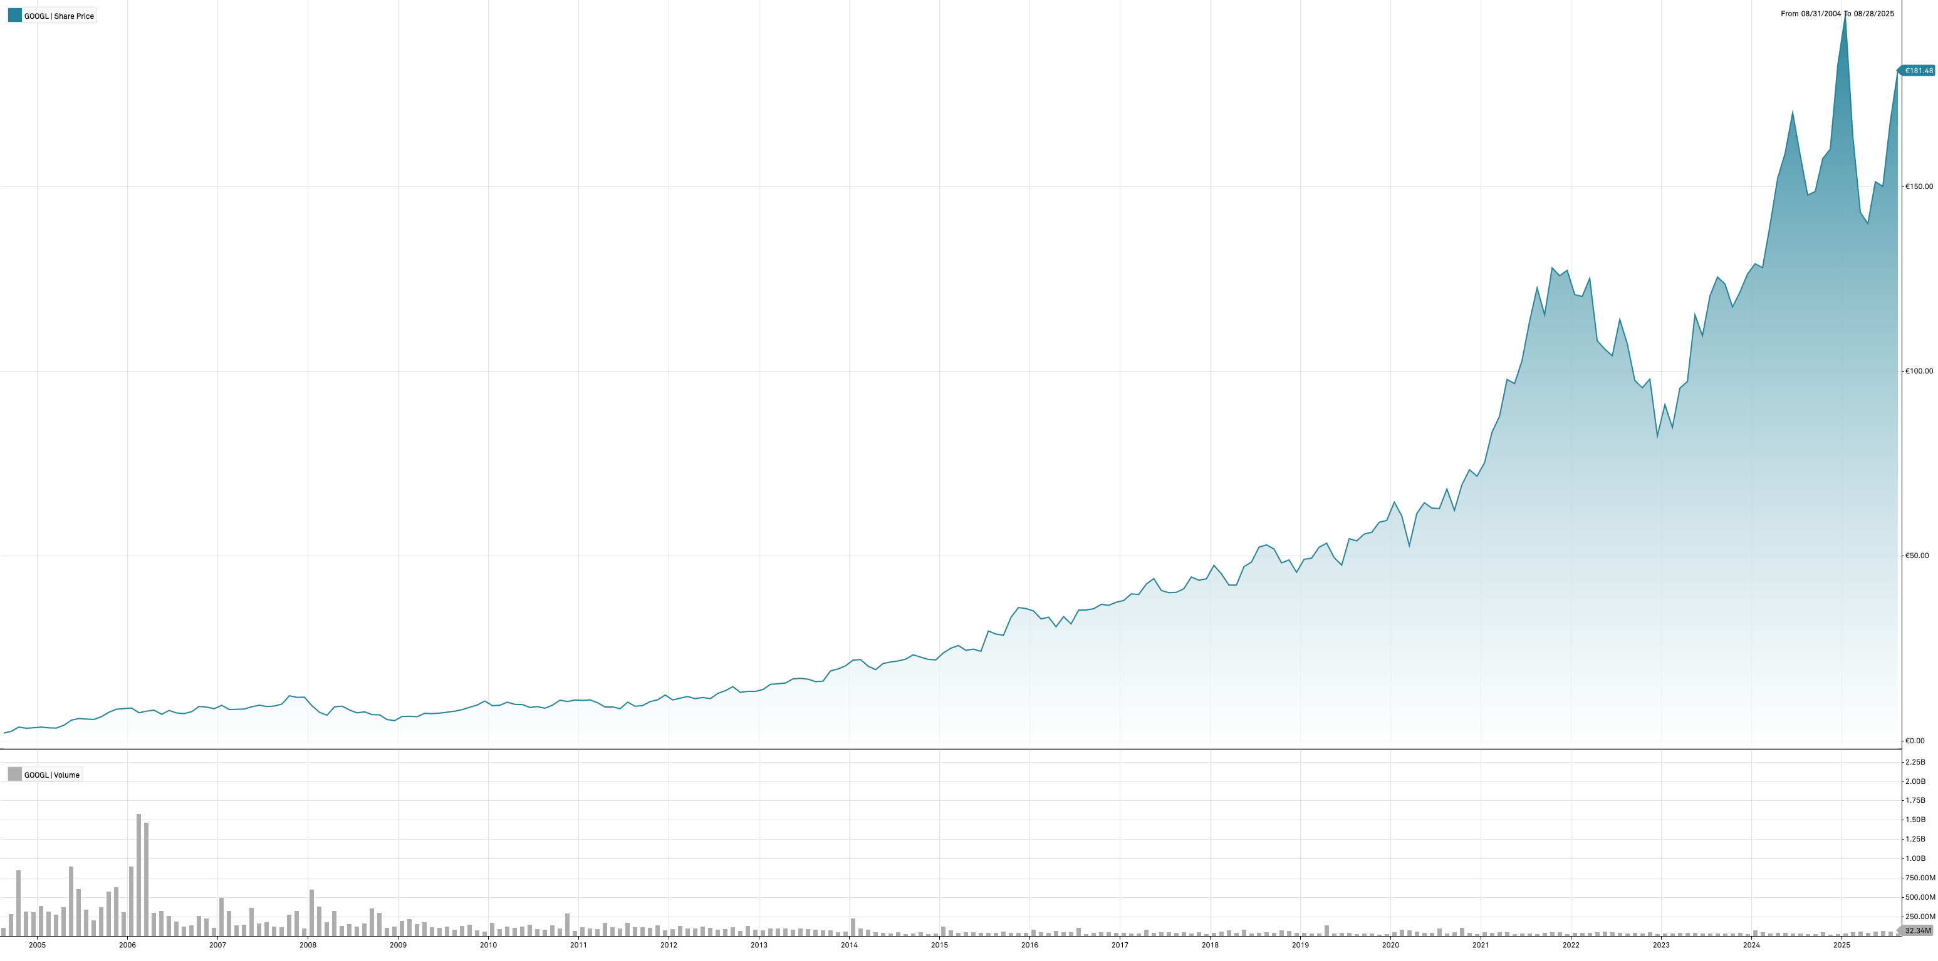
Alphabet Inc. | Stock Chart

NASDAQGS:GOOGL (MI Key: 4633618; SPCIQ Key: 29096)

See Data Tab for underlying data

